Project3351
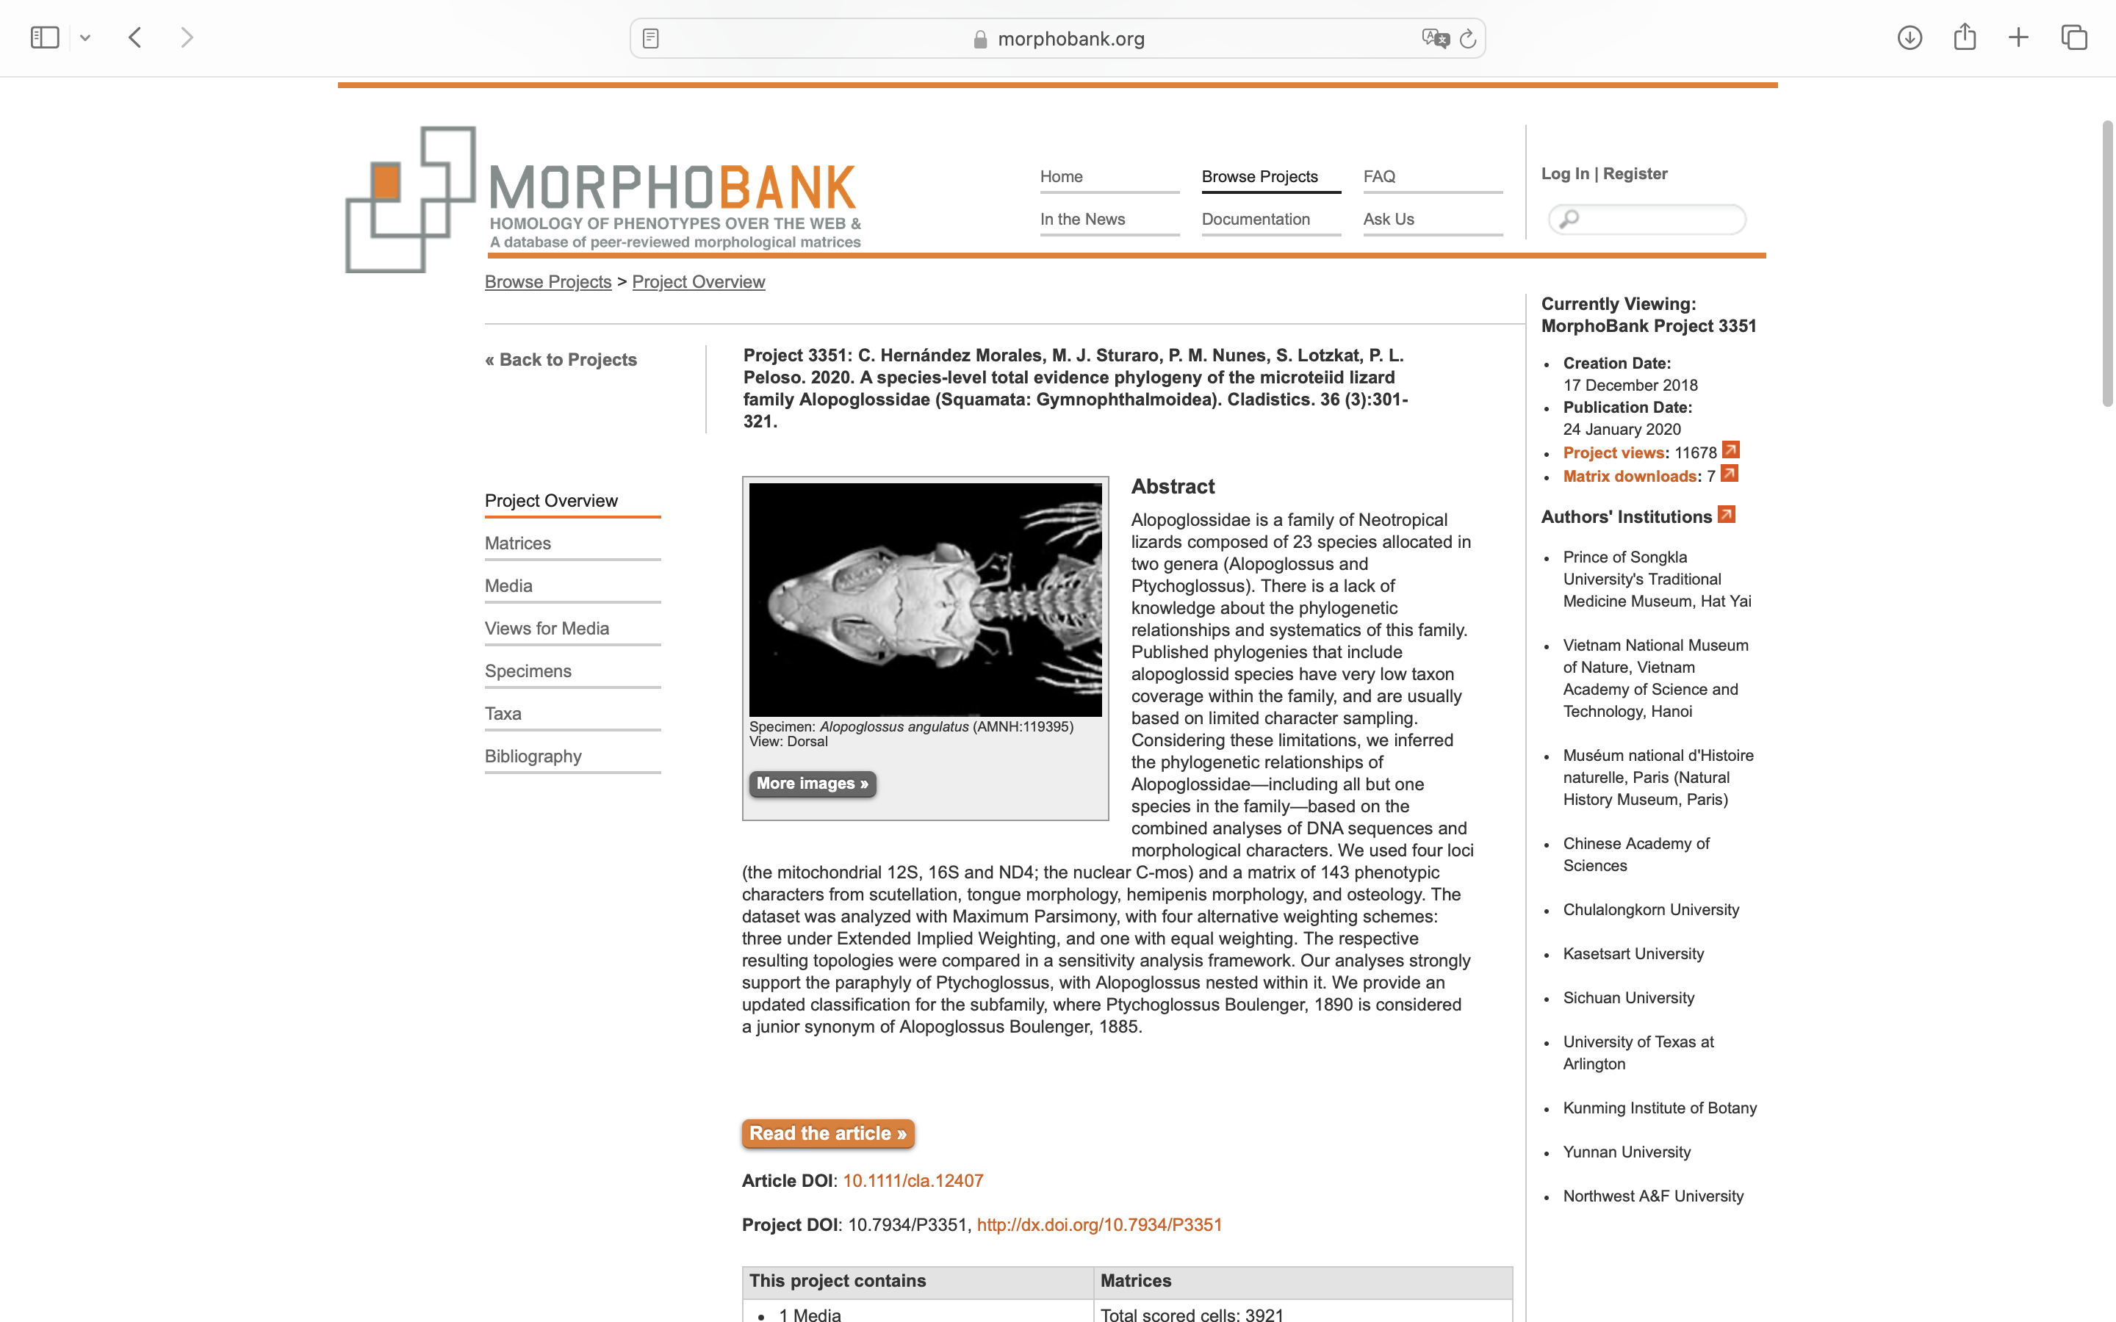
Charlabels | Character Pattern | Unseen States
[1] 'Morphology of the dorsal surface of the tongue' | Transformational | YES
[2] 'Tongue papillae ralationship' | Transformational | YES
[3] 'Sublingual plicae' | Neomorphic | NO
[4] 'Longitudinal sulcus on the middle part of the tongue' | Neomorphic | NO
[5] 'Pigmentation of the tongue' | Transformational | YES
[6] 'Eyelid' | Neomorphic | NO
[7] 'Proportion of the frontonasal' | Transformational | NO
[8] 'Prefrontal scales' | Neomorphic | NO
[9] 'Contact between prefrontals' | Neomorphic | NO
[10] 'Nasal divided' | Neomorphic | NO
[11] 'Nasal scales division' | Transformational | YES
[12] 'Nasal scales relationship' | Transformational | NO
[13] 'Nostril position' | Transformational | YES
[14] 'Frontoparietal scales' | Neomorphic | NO
[15] 'Supraoculars count' | Transformational | YES
[16] 'Size of second supraocular' | Transformational | YES
[17] 'Posterior border of the parietal and interparietal scales' | Transformational | YES
[18] 'Interparietal' | Neomorphic | NO
[19] 'Interparietal divided' | Neomorphic | NO
[20] 'Size of interpariertal' | Transformational | NO
[21] 'Exceptionally broad scales forming occipital scale rows' | Neomorphic | NO
[22] 'Two enlarged longitudinal rows of scales on the nape' | Neomorphic | NO
[23] 'Ornamentation on the parietal scales' | Neomorphic | NO
[24] 'Type of ornamentation on the parietal' | Transformational | YES
[25] 'Ornamentation on the frontoparietal scales' | Neomorphic | NO
[26] 'Type of ornamentationon the frontoparietal' | Transformational | YES
[27] 'Ornamentatio on the frontal scales.' | Neomorphic | NO
[28] 'Type of ornamentationon the frontal.' | Transformational | YES
[29] 'Tympanic recess.' | Neomorphic | NO
[30] 'Ornamentation of temporal scales' | Transformational | YES
[31] 'Loreals' | Transformational | YES
[32] 'Frenocular in contact with the nasal anteriorly' | Neomorphic | NO
[33] 'Pairs of enlarged chin shields' | Transformational | YES
[34] 'Number of infralabials in contact with chin shields' | Transformational | YES
[35] 'Third chinshields separated from infralabials' | Neomorphic | NO
[36] 'Third chinshields separated from infralabials by' | Transformational | YES
[37] 'Third pair of chin shields in contact medially' | Neomorphic | NO
[38] 'Second pair of chin shields in contact medially' | Neomorphic | NO
[39] 'Gular crease' | Neomorphic | NO
[40] 'Gutural fold' | Neomorphic | NO
[41] 'Pregulars differentiated from the gulars' | Neomorphic | NO
[42] 'Pregular scales shape' | Transformational | YES
[43] 'Pregulars scales relationship' | Transformational | YES
[44] 'Widened paramedian plates' | Neomorphic | NO
[45] 'Lateral neck scales' | Transformational | YES
[46] 'When plates-like , lateral neck scales' | Transformational | YES
[47] 'Ornamentation of the lateral neck scales' | Transformational | YES
[48] 'Dorsal scales rows' | Transformational | YES
[49] 'Relationship between dorsal scales with its anteroposterior relatives' | Transformational | YES
[50] 'Relationship between dorsal scales with its lateral relatives' | Transformational | YES
[51] 'Dorsal scales shape' | Transformational | YES
[52] 'Ornamentation of dorsal scales' | Transformational | YES
[53] 'Well defined para vertebral rows scales' | Neomorphic | NO
[54] 'Posterior border of the ventral scales' | Transformational | YES
[55] 'Posterior border of infracaudals' | Transformational | YES
[56] 'Relationship of ventral scales with its lateral relatives' | Transformational | YES
[57] 'Ornamentation of ventral scales' | Transformational | YES
[58] 'Lateral fold' | Neomorphic | NO
[59] 'Transversal rows of scales on lateral fold' | Neomorphic | NO
[60] 'Precloacal pores in males' | Neomorphic | NO
[61] 'Precloacal pores in females' | Neomorphic | NO
[62] 'When precloacal pores series present' | Transformational | YES
[63] 'Femoral pores in males' | Neomorphic | NO
[64] 'Femoral pores in females' | Neomorphic | NO
[65] 'Scales bearing femoral pores' | Transformational | NO
[66] 'Scales bearing pre-cloacal pores' | Transformational | NO
[67] 'Thenar scales size' | Transformational | YES
[68] 'Ornamentation of dorsal scales of the arm' | Transformational | YES
[69] 'Ornamentation of anterior scales of the thigh' | Transformational | YES
[70] 'Ornamentation of the posterior part of the thigh scales' | Transformational | YES
[71] 'Ornamentation of the anterior part of the bobbin' | Transformational | YES
[72] 'Ornamentation of tail ventral scales' | Transformational | YES
[73] 'Ornamentation of tail dorsall scales' | Transformational | YES
[74] 'Hemipenis with mineralized spines' | Neomorphic | NO
[75] 'Hemipenis with comb-like spicules' | Neomorphic | NO
[76] 'Hemipenis shape' | Transformational | YES
[77] 'Hemipenis distally forked' | Neomorphic | NO
[78] 'Hemipenial capitulo' | Neomorphic | NO
[79] 'Hemipenis with impar projections on the distal tip of the capitule' | Neomorphic | NO
[80] 'Ornamentation of the distal region of the hemipenis' | Transformational | NO
[81] 'Flounces of the hemipenis' | Neomorphic | NO
[82] 'Direction of the hemipenial flounces of the asulcated face' | Transformational | YES
[83] 'Spermatic sulcus obliterated distally' | Neomorphic | NO
[84] 'Relation among neurocranium and dermatocranium' | Transformational | YES
[85] 'Maximum number of dental cuspids in maxillary teeth' | Transformational | YES
[86] 'Like molar teeth' | Neomorphic | NO
[87] 'Pterygoid teeth' | Neomorphic | NO
[88] 'Lateral borders of the dorsal process of the premaxilla' | Transformational | YES
[89] 'Basal part of the dorsal process of the premaxilla' | NT?;0=11;1=12;2=0-
[90] 'Contact between the nasals' | Neomorphic | NO
[91] 'The contact between the dorsal surface of the posterior process of the maxilla and the suborbital process of the jugal visible laterally' | NT?;0=0-;1=11;2=12
[92] 'The relation between the palatal shelf and the vomer' | Transformational | YES
[93] 'In the maxilla , Width of the palatal shelf i' | Transformational | YES
[94] 'Interorbital constriction of the frontal' | Transformational | YES
[95] 'Frontoparietal tabs' | NT2;0=11;1=12;2=0-
[96] 'Cristae cranii' | Transformational | YES
[97] 'Parietal proportions , this considering the length since the posterior part of the posteromedial slit to the contact border with the frontal , and the width between the dorsal edges of the supratemporal fenestras' | Transformational | YES
[98] 'Lateral borders of the body of parietal' | Transformational | YES
[99] 'Lateral shelf of the parietal' | Neomorphic | NO
[100] 'Sagital crest on the parietal' | Neomorphic | NO
[101] 'Parietal flat' | NT?;0=0-;1=11;2=12
[102] 'The descending ventral process of the parietal' | Transformational | YES
[103] 'The posterolateral processes of the parietal proportions' | Transformational | YES
[104] 'Posterolateral process of the parietal shape' | Transformational | YES
[105] 'Foramen pineal' | Neomorphic | NO
[106] 'The prefrontal articulated with the palatine' | Neomorphic | NO
[107] 'Lacrimal bone in the adult forms' | Neomorphic | NO
[108] 'Postorbitofrontal' | Neomorphic | NO
[109] 'Posfrontal shape' | Transformational | YES
[110] 'Jugal proportions' | Neomorphic | NO
[111] 'Contact between the jugal and the postorbital or postorbitofrontal' | Transformational | YES
[112] 'Proporcition of dorsal and ventral rami pterygoid facet of the ectopterigoid' | NN;0=11;1=10
[113] 'Quadrate reduced' | Neomorphic | NO
[114] 'Dorsoanterior part of the tympanic crest of the quadrate' | Transformational | YES
[115] 'Posterolateral process of the vomer' | Neomorphic | NO
[116] 'Contact between the palatine and the cristae cranii of the frontal' | Neomorphic | NO
[117] 'Palatines contact each another' | Neomorphic | NO
[118] 'Lateral border of the palatine with a shelf that projects medially' | Neomorphic | NO
[119] 'Shape of the palatine process of the pterygoid' | Transformational | YES
[120] 'Little conic tubercle that surge of the anterior border of the palatine process of the pterygoid' | Neomorphic | NO
[121] 'Pterygoid flange bifurcated' | Neomorphic | NO
[122] 'Basipterygoid process size' | Transformational | YES
[123] 'Basipterygoid process direction' | Transformational | YES
[124] 'Meckels groove' | Transformational | YES
[125] 'Posterodorsal process of the dentary' | Neomorphic | NO
[126] 'Length of the anterior part of the splenial' | Transformational | NO
[127] 'Posterior process of the splenial' | Transformational | YES
[128] 'Angular process of the mandible orientation' | Transformational | YES
[129] 'Hyoid cornu shape' | Transformational | YES
[130] 'Lateral border of the hyoid cornu' | Transformational | YES
[131] 'Medial process of the hyoid cornu' | Neomorphic | NO
[132] 'Second ceratobranchial size' | NT2;0=11;1=12;2=0-
[133] 'First epibranchial with proximal expansion' | Neomorphic | NO
[134] 'Processus lingualis with posterior expansion' | Neomorphic | NO
[135] 'Free epibranchial' | Neomorphic | NO
[136] 'Scapular fenestra' | Neomorphic | NO
[137] 'Interclavicle shape' | Transformational | YES
[138] 'Phalanges of the first finger of the hand' | Transformational | YES
[139] 'Size of fourth finger in relation to the third finger' | Transformational | NO
[140] 'Ventral metacarpophalangeal sesamoids' | Neomorphic | NO
[141] 'Ventral distal phalangeal sesamoid' | Neomorphic | NO
[142] 'Dorsal distal phalangeal sesamoid' | Neomorphic | NO
[143] 'Position of the first caudal vertebrae with autotomy axis' | Transformational | YES

